Summary
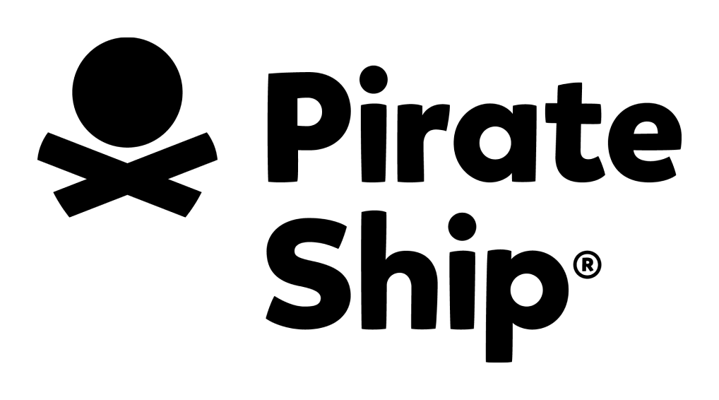
2026 USPS Shipping Rates
USPS April 2026 Rates • Effective April 26th, 2026

Pirate Ship passes through the cheapest rates USPS offers, with discounts up to 87% off retail prices.
The United States Postal Service offers two different pricing tiers: Retail Pricing and Commercial Pricing.
SECRET DISCOUNTS! Pirate Ship offers rates that are up to $7.75 BELOW Commercial Pricing.

Pirate Ship also offers deeply discounted UPS® rates. Compare UPS and USPS rates here!

Pirate Ship's historical data is used to estimate national average costs for each USPS service.
These national average costs will be highlighted in |  |  |  | YELLOW | in the attached rate sheets.
Your average costs will differ depending on which zones you ship to.

Any questions? Chat with us on pirateship.com

These national zone averages are used to create average cost forecasts in the applicable rate sheets: | 0-50 miles | 51-150 miles | 151-300 miles | 301-600 miles | 601-1000 miles | 1001-1400 miles | 1401-1800 miles | 1801+ miles | Territories
 | Zone 1 | Zone 2 | Zone 3 | Zone 4 | Zone 5 | Zone 6 | Zone 7 | Zone 8 | Zone 9
 | 9% | 8% | 8% | 15% | 20% | 13% | 10% | 17% | 0%

To view the USPS rates, click the Service Name below.
Service | Summary
Priority Mail Service Comparison (View Rates) | Not sure which Priority Mail service is cheapest for your situation? This rate comparison can help!
USPS - Flat Rate (View Rates) | SECRET RATES BELOW COMMERCIAL PRICING! If it fits, it ships! But Flat Rate is generally only a better deal than using your own packaging if your item can fit in a Small Flat Rate Box or any Flat Rate Envelope.
USPS - Weight-Based Priority Mail (View Rates) | SECRET RATES BELOW COMMERCIAL PRICING! The best service USPS offers! Pirate Ship will automatically choose between Cubic or Weight-Based rates depending on which is cheaper for your package's weight, size, and destination.
USPS - Priority Mail Cubic (View Rates) | SECRET RATES BELOW COMMERCIAL PRICING! Rates are based on dimensions, not weight, so you can ship up to 20 pounds for no extra cost. Fast & reliable with 1-3 day delivery and $100 insurance included.
Ground Advantage Weight-Based (View Rates) | SECRET RATES BELOW COMMERCIAL PRICING! The slowest service USPS offers with estimated delivery up to 5 days not including Sundays, and up to 26 days for non-continental shipments to/from AK, HI, PR, and APO/FPO.
Ground Advantage Cubic (View Rates) | SECRET RATES BELOW COMMERCIAL PRICING! Pirate Ship will automatically pick Cubic or Weight-Based Ground Advantage rates depending on which is cheaper for your package's weight, size, and destination.
USPS - Priority Mail Express (View Rates) | The fastest service USPS offers, with guaranteed 1-day delivery in urban areas and 2 or 3-day delivery to/from rural areas.
USPS - Media Mail (View Rates) | Only for educational materials (books, music, or films, no other products or advertising). USPS may inspect your boxes to verify the contents are allowed.
Simple Export Rate (View Rates) | EXCLUSIVE! Save up to 52% with Pirate Ship's incredible discounts on international shipping up to 4 lbs.
First Class Package International (View Rates) | The cheapest rates USPS offers for international shipments that weigh less than 4 lbs… but Simple Export Rate will always be cheaper!
Priority Mail International (View Rates) | If your international shipments are over 4 lbs, or if you want them to arrive faster within 6-10 days, this is the cheapest service USPS offers.
USPS - Priority Mail Express International (View Rates) | If you want your international shipments to arrive as fast as possible via the destination country's local Postal Service, this is a great choice!
Extra Services (View Rates) | Add Signature Confirmation or 3rd-party insurance to your shipment to get reimbursed if it's damaged or goes missing. USPS also charges additional fees for packages that are "nonstandard" sizes.

